Instructions
Step-by-Step Instructions to Search for Quality Measures Using This Excel File
This spreadsheet is a tool that eligible clinicians can use to search for current 2025 quality measures. The third tab of this file, titled "2025 MIPS Quality Measures", includes the full set of current measures reportable through any collection type, as of 2025. Eligible clinicians can use this resource to find measures in any number of ways and use the measure specification manuals to dive deeper into any given measure.
For guidance on how to search for measures, please see step by step instructions on how to execute the following basic functions:
1. Search by measure number 2. Search by collection type 3. Search using keywords
1. Search by measure number
Step 1: Identify the type of measure number you are searching by (CMS, Consensus-Based Entity [CBE], Quality) and click on the arrow below that program.
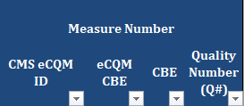
Step 2: Once the arrow is selected, a drop down menu will appear. Input the measure number(s) you are searching for and select "OK."
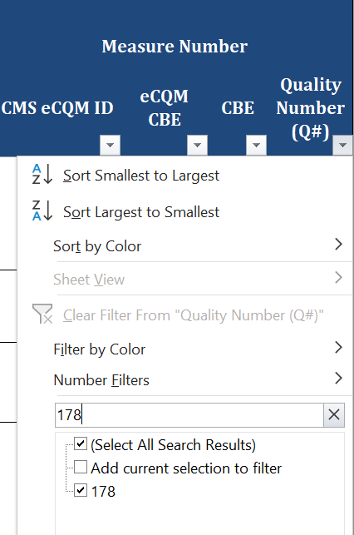
Step 3: This excel function will filter out all other measures, leaving you with just the measure number(s) you selected.
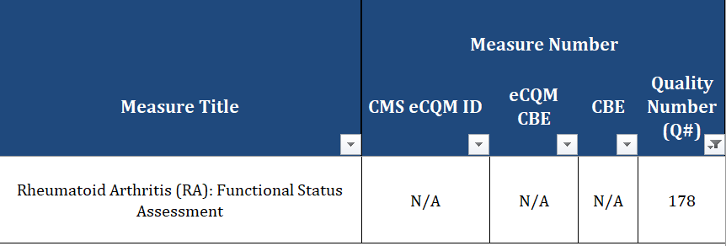
Step 4: To undo your search (so that you might search for something else), reclick the arrow that is filtered and select "Clear Filter From '…'."
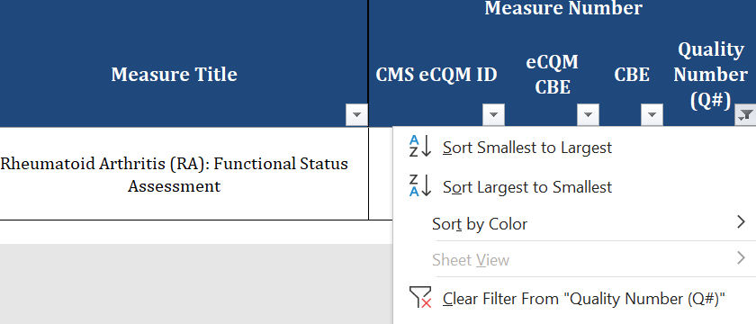
2. Search by Collection Type
Step 1: Select the arrow below the collection type you are searching for

Step 2: Once the arrow is selected, a drop down menu will appear. Unselect the "-" so that only the "X" is marked. Then select "OK."
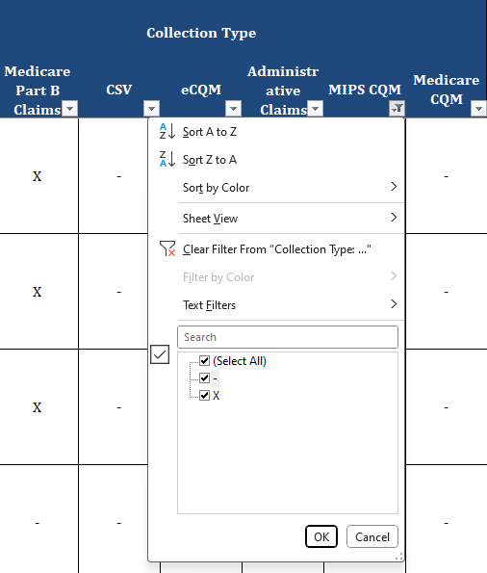
Step 3: This excel function will filter out all other measures, leaving you only with measures reportable via the chosen collection type.
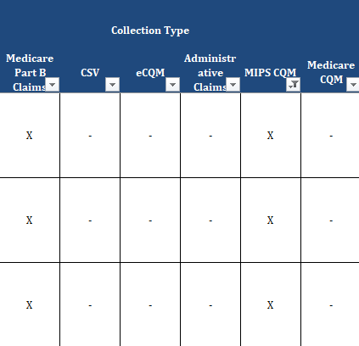
Step 4: To undo your search (so that you might search for something else), reclick the arrow that is filtered and select "Clear Filter From 'MIPS CQM' ".
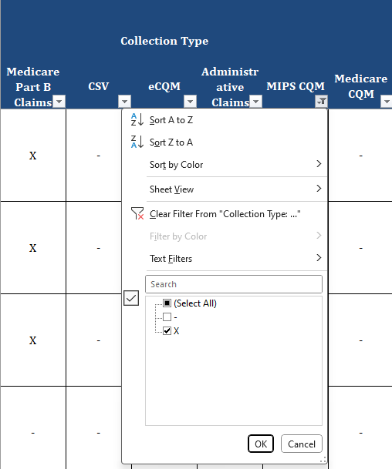
3. Search using Keywords
Step 1: Select the arrow below the Measure Title column.

Step 2: Once the arrow is selected, a drop down menu will appear. Input a keyword you are searching for (e.g., "Heart") and select "OK."
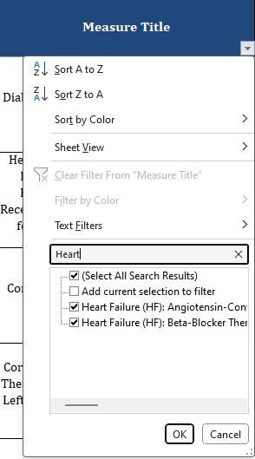
Step 3: This excel function will filter out all other measures, leaving you only with measures with the word "Heart" in the measure title.
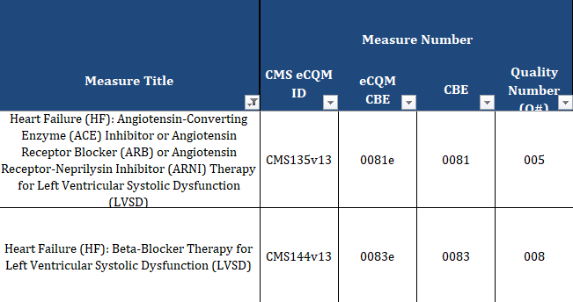
Step 4: To undo your search (so that you might search for something else), reclick the arrow that is filtered and select "Clear Filter From 'Measure Title' ".
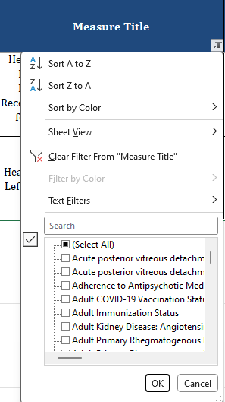
Note: This same function can be conducted in the measure description column as well.

